Лист1
Ver 1.0 help Quest |  | No astrite
SIRASUN

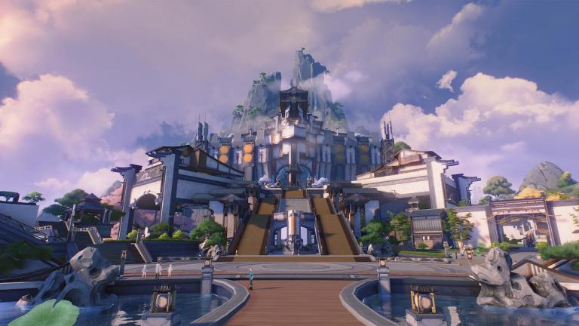
Huanglong



Side Quests | Astrite | Time
A Free Meal? | 55 | 9:20:00
A Quest of Wits - I
A Quest of Wits - II
A Quest of Wits - III | 10 | 3:00:00
A Taste of Everything | 20 | 5:20:00
A True Arena Champion |  | 12:00:00
Camp Raid | 40 | 5:50:00
Danger! Explosive! | 10 | 2:30:00
De-Hoochief | 10 | 1:35:00
Explosive Spear Tip Testing Challenge | 25 | 1:17:00
Hero of the Leap | 50 | 7:00:00
Investigate the theft of camp supplies | 30 | 6:50:00
Journal of Jinzhou: Vo.1
Journal of Jinzhou: Vol.2 | 20 | 3:00:00
Listen to Animals' Words: Translation of Bird's Language | 80 | 25:00:00
Listen to Animals' Words: Translation of Bird's Language - Sequel
Listen to Animals' Words: Translation of Cat's Language
Listen to Animals' Words: Translation of Dog's Language
Listen to Animals' Words: Translation of Fish's Language
Listen to Animals' Words: Translation of Frog's Language
Listen to Animals' Words: Translation of Lizard's Language
Listen to Animals' Words: Translation of Rabbit's Language
Lost History | 90 | 7:55:00
Repair the Lighthouse at the Wuming Bay |  | 3:14:00
Repair the lighthouse in Desorock Highland |  | 4:22:00
Lost Ranger |  | 4:00:00
Messenger | 10 | 1:07:00
Misfortune on a Workday | 5 | 5:23:00
No Response Tonight | 90 | 7:00:00
Photos of Jinzhou | 20 | 5:00:00
Restart the radar | 40 | 11:00:00
Save the World? Save the Cat! (Side Quest)
Secret Investigation | 40 | 4:33:00
Shooting Party | 40 | 4:34:00
Silver-haired Echo Trainer - I
Silver-haired Echo Trainer - II
Silver-haired Echo Trainer - III | 20 | 22:00:00
Tacet Discord Hunter | 40 | 8:00:00
Tales of the Past and Present: Central Plains |  | 2:36:00
Tales of the Past and Present: Desorock Highland |  | 2:00:00
Tales of the Past and Present: Dim Forest |  | 2:40:00
Tales of the Past and Present: Gorges of Spirits |  | 2:10:00
Tales of the Past and Present: Norfall Barrens |  | 2:42:00
Tales of the Past and Present: Port City of Guixu |  | 1:46:00
Tales of the Past and Present: Tiger's Maw |  | 3:12:00
Tales of the Past and Present: Whining Aix's Mire |  | 1:42:00
The Eternal Concert | 50 | 13:28:00
The Fabled Magnetic Cube Mechanics - I
The Fabled Magnetic Cube Mechanics - II
The Fabled Magnetic Cube Mechanics - III | 50 | 16:00:00
The Past is the Future: Continued
The Past is the Future: Epilogue
The Past is the Future: Introduction | 50 | 11:00:00
Time to Study |  | 4:18:00
Travel in Jinzhou: Gulpuffs |  | 2:00:00
Under the Moonlit Banyan
When Moonlight Shines in the Forest | 220 | :36:20
When the Dawn Breaks |  | 18:50:00
When the Dawn Breaks: Epilogue |  | :26:20
Xiuyi's Challenges | 100 | 2:36:00

 |  |  | S

Side Quests | Astrite | Time
Utterance of Marvels: I | 130
Utterance of Marvels: II | 50 | :59:00
First Resonance | 110 | :59:00
Echoing Marche | 100 | 17:15:00
Ominous Star | 100 | :27:00
Clashing Blades | 100 | :39:00
Rewinding Raindrops | 100 | :56:30
Grand Warstorm | 100 | 1:20:00

 |  |  | A New Companion | 30 | 19:00:00
 |  |  | Thaw of Eons | 240 | 1:10:00

 |  |  | To the Shore's End | 200 | 2:42:00

